Thrust line eqn of arch 1
Radius of Arch( r) | Thickness of Arch(a) | Specific Weight(g) | Depth of Arch(β) | φ(degree) | φ(Rad) | ρo | Ho | ρ | • r is the distance between Ω and M, where Ω is the centre of arch and M is the middle point of joint NN'
4 | 0.2 | 1 | 1 | 30 | 0.52333333333 | 4.1 | 0.4753495935 | 5.7030589733 | • a is the thickness of arch i.e NN'
5 | 0.15 | 1 | 1 | 60 | 1.0466666667 | 5.075 | 0.43852832512 | 8.7032887604 | • g is specific weight of arch and β is depth of arch so taking for simplicity, g=1 and β=1
 |  |  |  |  |  |  |  |  | we are considering simple case of arch which subjected to its own weight i.e there no load applied at N' of the extrados and N of the intrados(p=0,q=0)
 |  |  |  |  |  |  |  |  | • Final equation of thrust line by solving the differential equation:

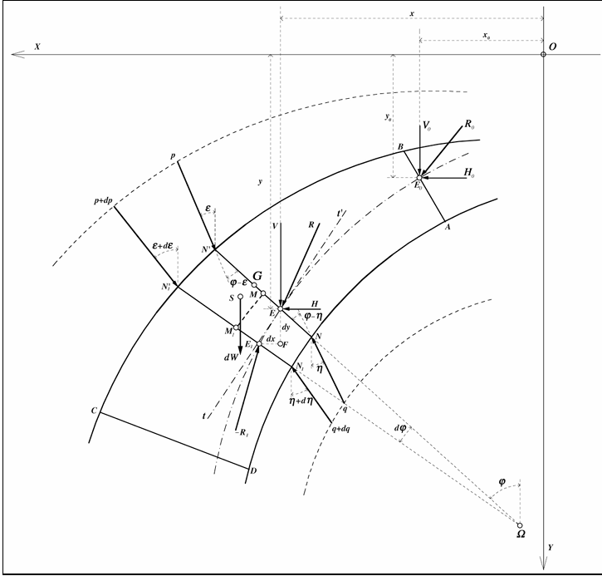
 |  |  |  |  |  |  |  |  | • ρ is distance between Ω and E, where Ω is the centre of arch and E is the resultant point of all the forces at Joint NN'
 |  |  |  |  |  |  |  |  | • φ is angle of the joint NN' with the vertical line
 |  |  |  |  |  |  |  |  | for a semicircular arch of constant thickness under its own weight, boundary conditions at crown and at springing joints are:
 |  |  |  |  |  |  |  |  | • at φ=0, ρo= r+(a/2)
 |  |  |  |  |  |  |  |  | • at φ=π/2, ρ= r+(a/2)

 |  |  |  |  |  |  |  |  | Units:
 |  |  |  |  |  |  |  |  |  | g in KN/m3
 |  |  |  |  |  |  |  |  |  | r , a, β in m
 |  |  |  |  |  |  |  |  |  | ρ, ρo in m
 |  |  |  |  |  |  |  |  |  | Ho in KN

Thrust line eqn of arch 2
Radius of Arch( r) | Thickness of Arch(a) | Specific Weight(g) | Depth of Arch(β) | φ(degree) | φ(Rad) | ρo | Ho | ρ
8.5 | 3 | 25 | 3 | 90 | 1.57 | 10 | 1360.125 | 9.9920427714 | • r is the distance between Ω and M , where Ω is the centre of arch and M is thr mid point of joint NN'
8.5 | 3 | 25 | 3 | 75 | 1.3083333333 | 10 | 1360.125 | 9.3033379227 | • a is the thickness of arch
8.5 | 3 | 25 | 3 | 60 | 1.0466666667 | 10 | 1360.125 | 9.034261258 | • g is the specific weight of arch and β is depth of arch
8.5 | 3 | 25 | 3 | 45 | 0.785 | 10 | 1360.125 | 9.097701747 | • φ is angle made by joint with vertical
8.5 | 3 | 25 | 3 | 30 | 0.52333333333 | 10 | 1360.125 | 9.4141041782 | •ρ is the distance between Ω and E where , Ω is the centre of arch and E is the resultant point of all forces at joint
8.5 | 3 | 25 | 3 | 15 | 0.26166666667 | 10 | 1360.125 | 9.8111963538 | • Final equation after solving differential equation is :
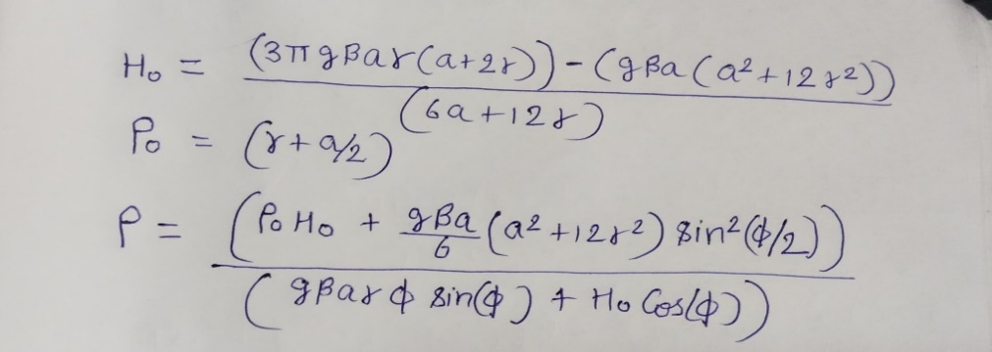
8.5 | 3 | 25 | 3 | 0 | 0 | 10 | 1360.125 | 10
8.5 | 3 | 25 | 3 | -15 | -0.26166666667 | 10 | 1360.125 | 9.8111963538
8.5 | 3 | 25 | 3 | -30 | -0.52333333333 | 10 | 1360.125 | 9.4141041782
8.5 | 3 | 25 | 3 | -45 | -0.785 | 10 | 1360.125 | 9.097701747
8.5 | 3 | 25 | 3 | -60 | -1.0466666667 | 10 | 1360.125 | 9.034261258
8.5 | 3 | 25 | 3 | -75 | -1.3083333333 | 10 | 1360.125 | 9.3033379227
8.5 | 3 | 25 | 3 | -90 | -1.57 | 10 | 1360.125 | 9.9920427714

Thrust Line
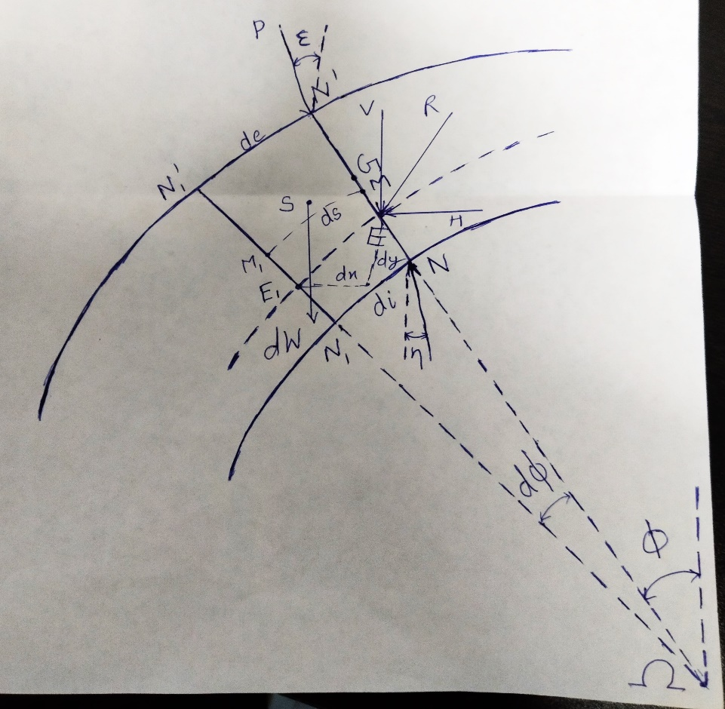
Cartesian coordinates of ρ |  |  |  |  |  |  |  |  | Units:
ρx | ρY |  |  |  |  |  |  |  | g in KN/m3
9.9920396032 | 0.0079569305536 |  |  |  |  |  |  |  | r , a, β in m
8.9847345082 | 2.4138438892 |  |  |  |  |  |  |  | ρ, ρo in m
7.8215005767 | 4.5212835796 |  |  |  |  |  |  |  | Ho in KN
6.430484685 | 6.4356074922
4.7048878114 | 8.1541025355
2.5380666659 | 9.4772248835
0 | 10
-2.5380666659 | 9.4772248835
-4.7048878114 | 8.1541025355
-6.430484685 | 6.4356074922
-7.8215005767 | 4.5212835796
-8.9847345082 | 2.4138438892
-9.9920396032 | 0.0079569305536

